Super Class Calculation Tool
 | COMSCC 2026 SUPER v1.0

2023 Super Class Calculation
 |  | Enter data only in green cells

When using a Dyno Sheet:
 |  |  |  |  |  | 2022 CLASS Corrected Power/Weight cut-offs |  |  | 0.91
Power to weight ratio = Competition Weight/Power |  |  |  |  |  | MIN | MAX | CLASS | 0.93
Power = 2/3 wheel HP + 1/3 wheel torque |  |  |  |  |  | 0 | 5.999 | SUPER UNLIMITED | 1.00
Weight = vehicle including fluids, driver, ballast, during & after competition |  |  |  |  |  | 6 | 8.799 | SUPER A
For dynojet; reduce power by 9% (AWD = 7%) |  |  |  |  |  | 8.8 | 12.399 | SUPER B
 |  |  |  |  |  | 12.4 | 15.799 | SUPER C
EnterWheel HP: |  | (From Dyno Sheet) |  |  |  | 15.8 | 18.999 | SUPER D
Enter Wheel Torque: |  | (From Dyno Sheet) |  |  |  | 19 | 99 | SUPER E
Competition Weight = |  | (Car + driver + safety gear)
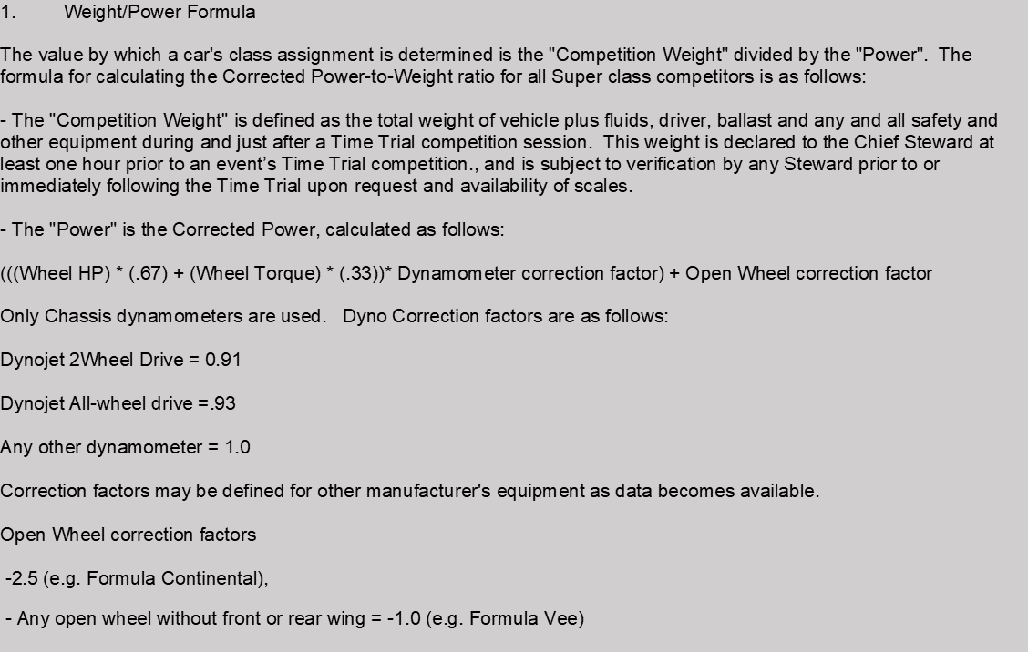
Enter Dynojet Factor: |  | (enter 0.91 for Dynojet, 0.93 for AWD, else 1.0)
Corrected power = | 0 | (Including Dynojet Factor)
Power to Weight = | #DIV/0! | CLASS = | #DIV/0!

ALLOWABLE WEIGHT AT CURRENT POWER
Once you know the class above, check the line below that matches your class. The "Min" and "Max" weights shown is the range you have to be in to remain in this class at the corrected power declared above.
 | MIN | MAX
SUPER UNLIMITED | 0 | 0
SUPER A | 0 | 0
SUPER B | 0 | 0
SUPER C | 0 | 0
SUPER D | 0 | 0
SUPER E | 0 | NA

ALLOWABLE "CORRECTED POWER" AT CURRENT WEIGHT (including Dynojet factor)
Once you know the class above, check the line below that matches your class. The "Min" and "Max" Corrected power values shown is the range you have to be in to remain in this class at the competition weight declared above.
 | MIN | MAX
SUPER UNLIMITED | 0 | NA
SUPER A | 0 | 0
SUPER B | 0 | 0
SUPER C | 0 | 0
SUPER D | 0 | 0
SUPER E | 0 | 0

WEIGHT CALCULATOR
Car Weight
Driver Weight |  | (if car weight did not include driver) |  |  | (enter gallons of fuel when weighed)
Fuel Capacity |  | (enter max capacity of fuel tank)
Gallons of fuel |  | x6.3 pounds* = | 0 | pounds
Weight Empty = | 0 | With Driver = | 0
Weight 1/2 tank = | 0 | With Driver = | 0
Weight Full tank = | 0 | With Driver = | 0

No Dyno sheet -come here
 |  | COMSCC 2026 SUPER v1.0

2023 Super Class calculation - without Dyno |  |  |  |  | Enter data only in green cells

Alternate Power calculation: |  |  |  |  |  |  |  |  | Alternate Weight calculation, use only if you don't know the true weight of car, driver and gear

Displacement in Liters: |  |  | 7.11199 |  | Enter actual displacement |  |  |  | Enter weight of nearest equivilent car from the Touring class sheets:

Enter valves per cyl factor |  |  | 0.85 |  | Enter ".85" for 2 valves per cylinder |  |  | 0.85 | Weight= | 0
 |  |  |  |  | Enter "1.0" for 4 valves per cylinder |  |  | 1
 |  |  |  |  | Enter "1.0" for all rotary engines
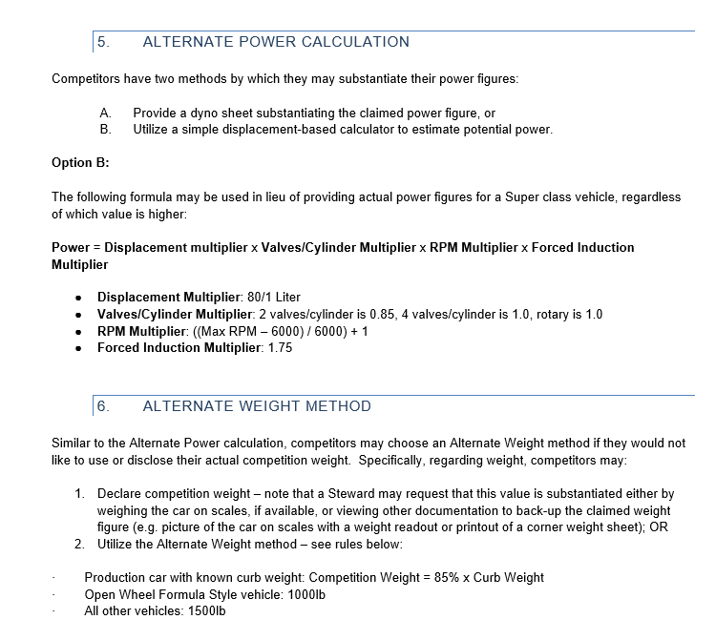
Enter Max RPM |  |  | 67000 |  | Generally where the redline starts…

Enter Forced induction multiplier |  |  |  | 1 | Enter 1.75 if turbo or supercharged |  |  | 1
 |  |  |  |  | Enter 1.0 for Naturally aspirated |  |  | 1.75

Power = | 568.9592 | times | 0.85 | times | 11.166666667 | times | 1

Power = | 5400.3710733

 |  | 2022 CLASS Corrected Power/Weight cut-offs
 |  | MIN | MAX | CLASS
 |  | 0 | 5.999 | SUPER UNLIMITED
 |  | 6 | 8.799 | SUPER A
 |  | 8.8 | 12.399 | SUPER B
 |  | 12.4 | 15.799 | SUPER C
 |  | 15.8 | 18.999 | SUPER D
 |  | 19 | 99 | SUPER E

Using the "No Dyno sheet" method, if you know your weight

 |  | Power | 5400.3710733 | (Transferred from"Power" above)
 |  | Competition Weight = | 2950 | Enter your known competition weight here

 |  | Power to Weight = | 0.55 | CLASS = | SUPER UNLIMITED

Using the "No Dyno sheet" method, if you do not know your weight

 |  | Power | 5400.3710733 | (Transferred from"Power" above)
 |  | Competition Weight = | 0 | (transferred from alternate weight calc. above)

 |  | Power to Weight = | 0 | CLASS = | #N/A

